Connexion_OLD
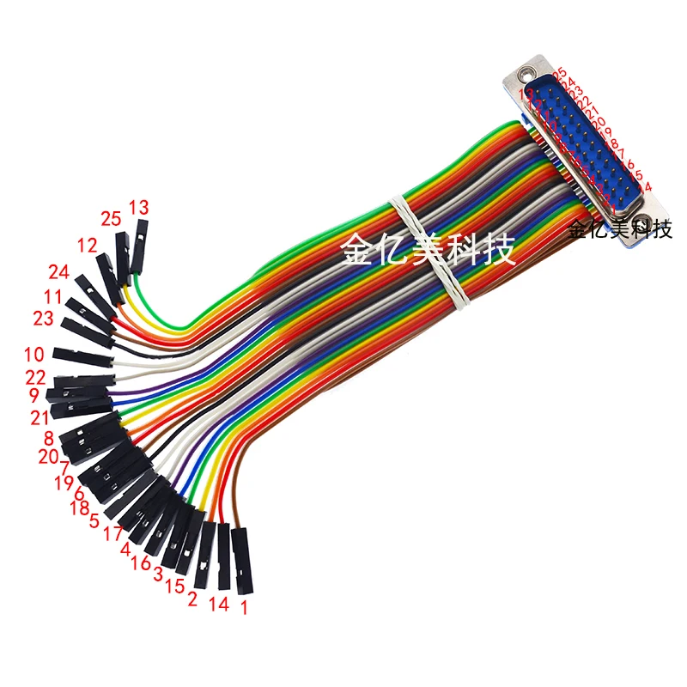
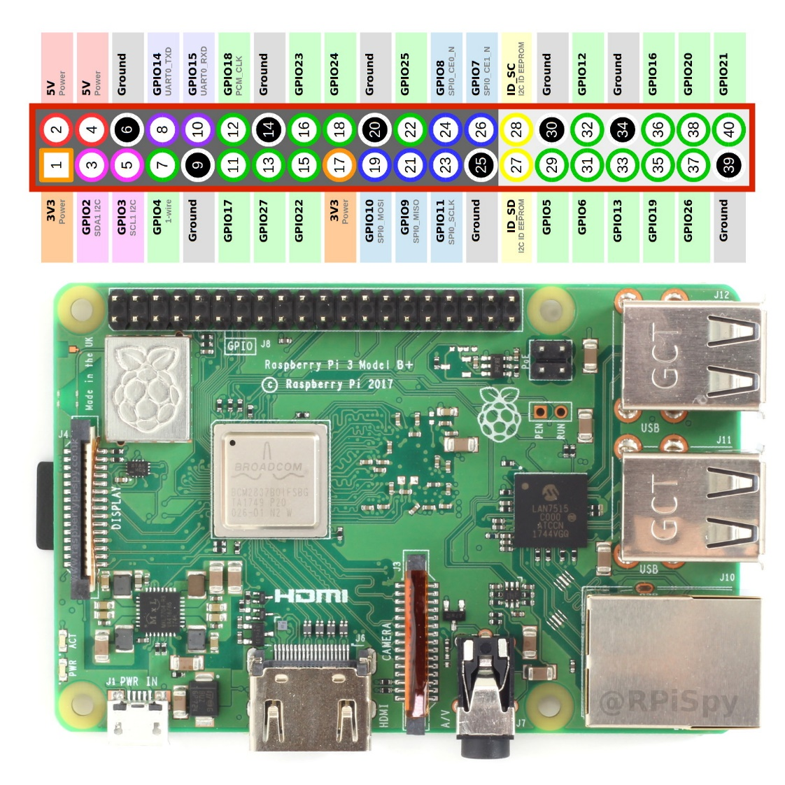
pin cable LPT | n° de Bits | GPIO | PIN raspberry
12 | bit7 | 18 | 12
24 | bit6 | 23 | 16
11 | bit5 | 24 | 18
23 | bit4 | 25 | 22
10 | bit3 | 12 | 32
22 | bit2 | 16 | 36
9 | bit1 | 20 | 38
21 | bit0 | 21 | 40
7 | - | GND | 30
1 | - | GND | 34

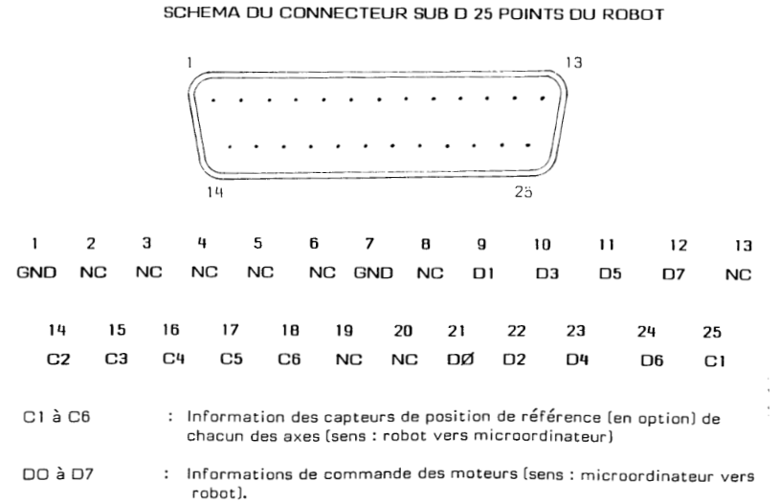
Port LPT | Port interne
1
2 | 8
3 | 7
4 | 1
5 | 2
6
7 | 12
8 | 11
9
10
11 | 14
12 | 13
13
14 | 18
15 | 4
16 | 3
17 | 5
18 | 6
19
20
21 | 17
22 | 9
23 | 19
24 | 10
25 | 20

